清仓
SPU/SKU | Picture | Product Description | Quantity | Location | Package size | Weight/g

sdj001-1 | 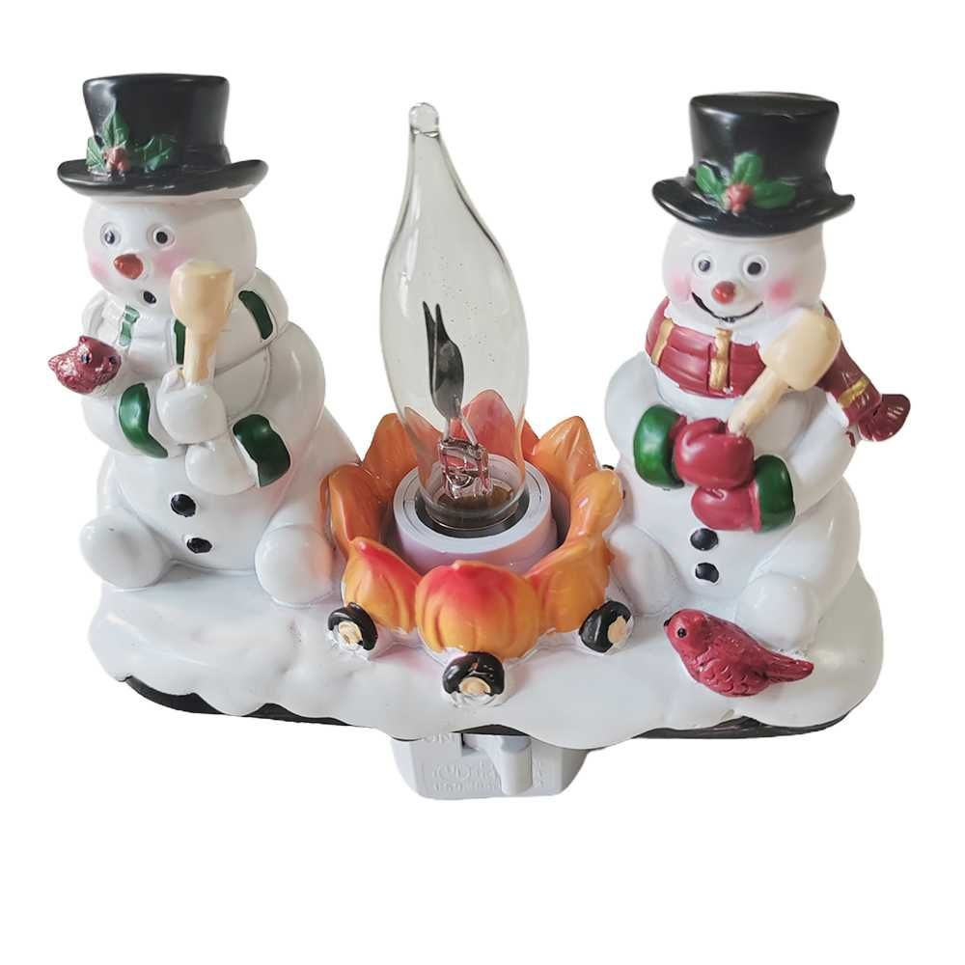 | 2024 Christmas Night Light,3D Christmas Light,Festive Campfire Light,Snowman Campfire Night Light,Christmas Eve Campfire Flickering Night Light,120V Plug-in Powered for Festive Ambiance | 192 | Montclair CA91763 | 10.5*11*8CM | 227g
sdj001-2 | 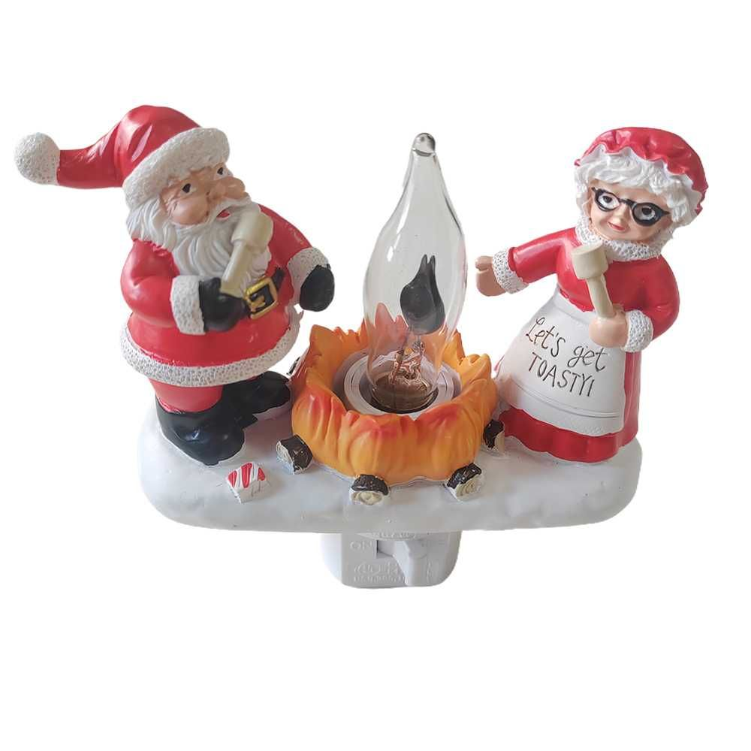 | 2024 Christmas Night Light,3D Christmas Light,Festive Campfire Light,Snowman Campfire Night Light,Christmas Eve Campfire Flickering Night Light,120V Plug-in Powered for Festive Ambiance | 189 | Montclair CA91763 | 10.2*10.2*8CM | 200g
sdj002-1 | 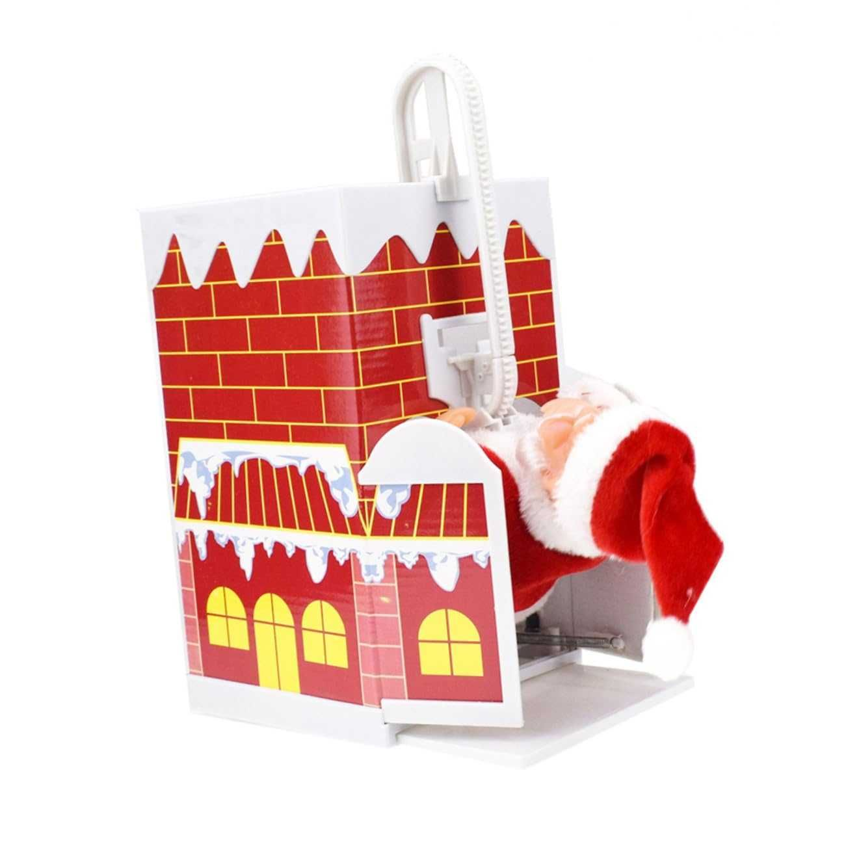 | Christmas Santa Claus Doll with Music Electric Toy Over the Wall Climbing Chimney Cartoon Christmas Gift Need to Assemble without Battery | 75 | Montclair CA91763 | 22*13*13cm | 258g
sdj002-2 | 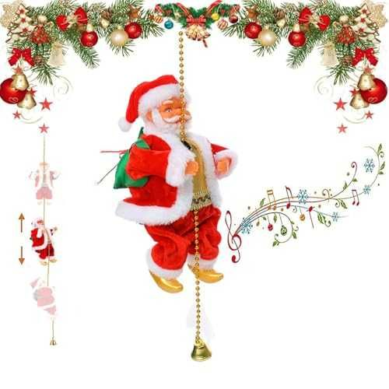 | Electric Music Climbing Beads Santa Sound Pendant Charm Decor for Indoor Outdoor Garden Yard Decoration Electric Music Santa | 86 | Montclair CA91763 | 22.5*12*10cm | 258g
sdj002-3 | 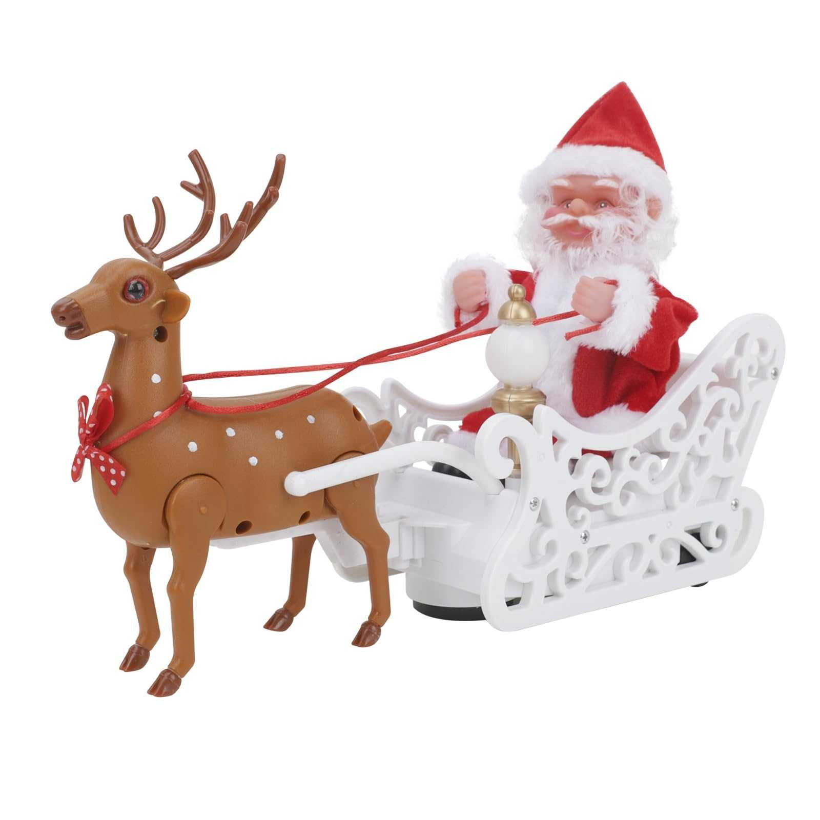 | Electric Santa Claus Singing And Dancing,Santa in Sleigh with Deer Musical Figurine, Santa Claus Plush Toys,Ornaments Gifts | 96 | Montclair CA91763 | 30*28*10 cm | 258g
sdj004-1 | 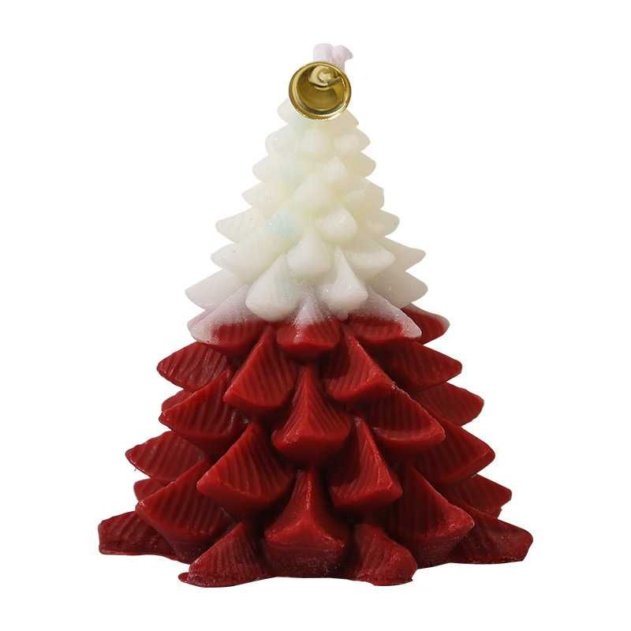 | Christmas Tree Scented Candle, Christmas Tree Shaped Candles, Festive Ornaments, Holiday Decor Candles for Kitchen, Living Room, Bedroom, Bathroom-Morning Dew Rose | 60 | Montclair CA91763 | 8*9cm | 125g
sdj004-3 | 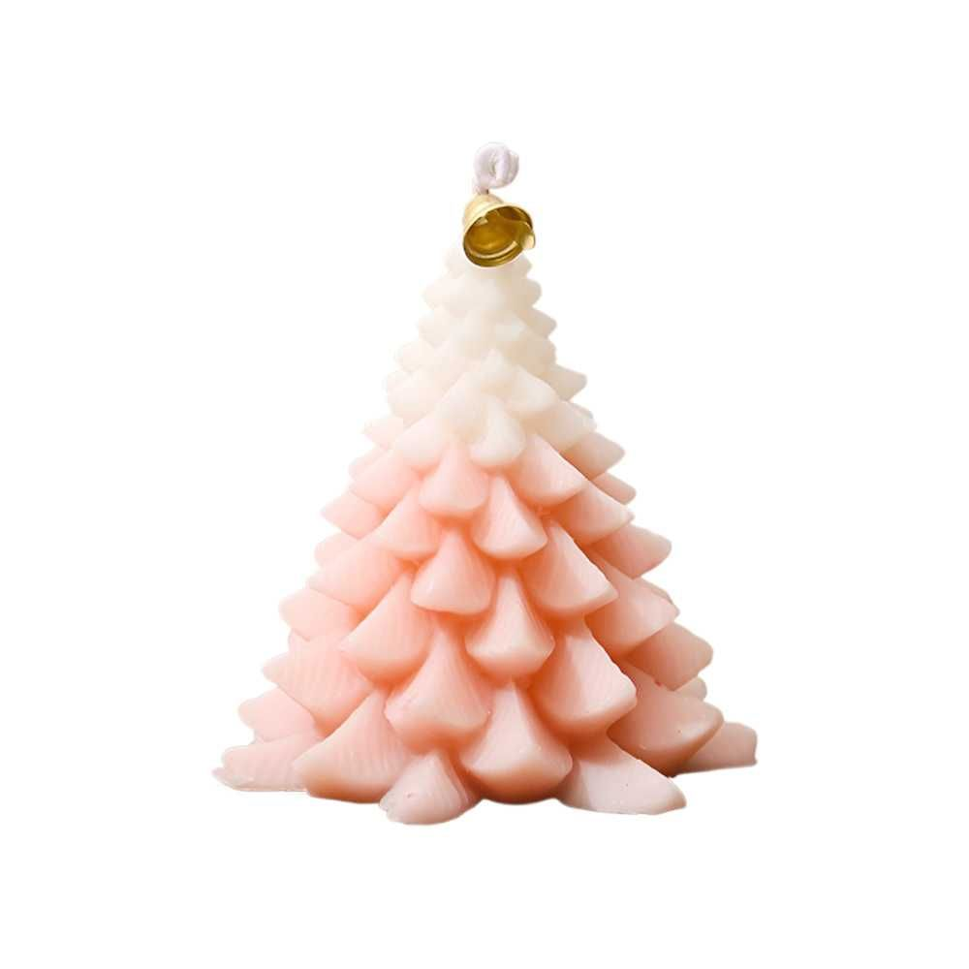 | Christmas Tree Scented Candle, Christmas Tree Shaped Candles, Festive Ornaments, Holiday Decor Candles for Kitchen, Living Room, Bedroom, Bathroom-Berlin Maiden | 60 | Montclair CA91763 | 8*9cm | 125g
sdj004-3 | 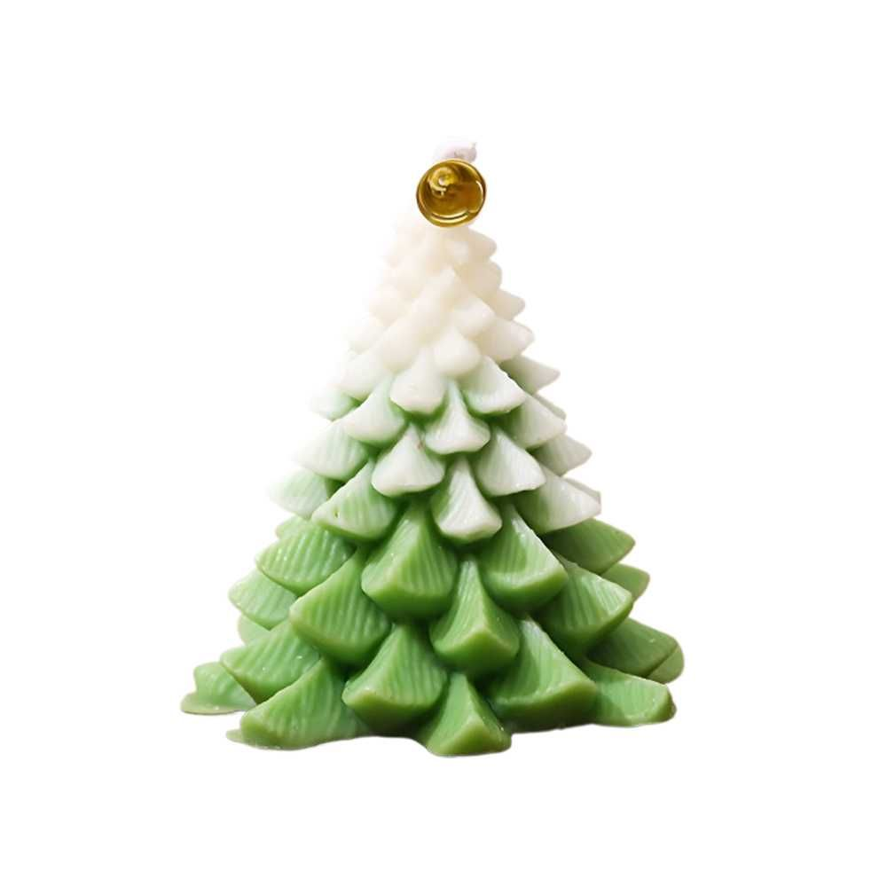 | Christmas Tree Scented Candle, Christmas Tree Shaped Candles, Festive Ornaments, Holiday Decor Candles for Kitchen, Living Room, Bedroom, Bathroom-Forest Moss | 59 | Montclair CA91763 | 8*9cm | 125g
sdj004-4 | 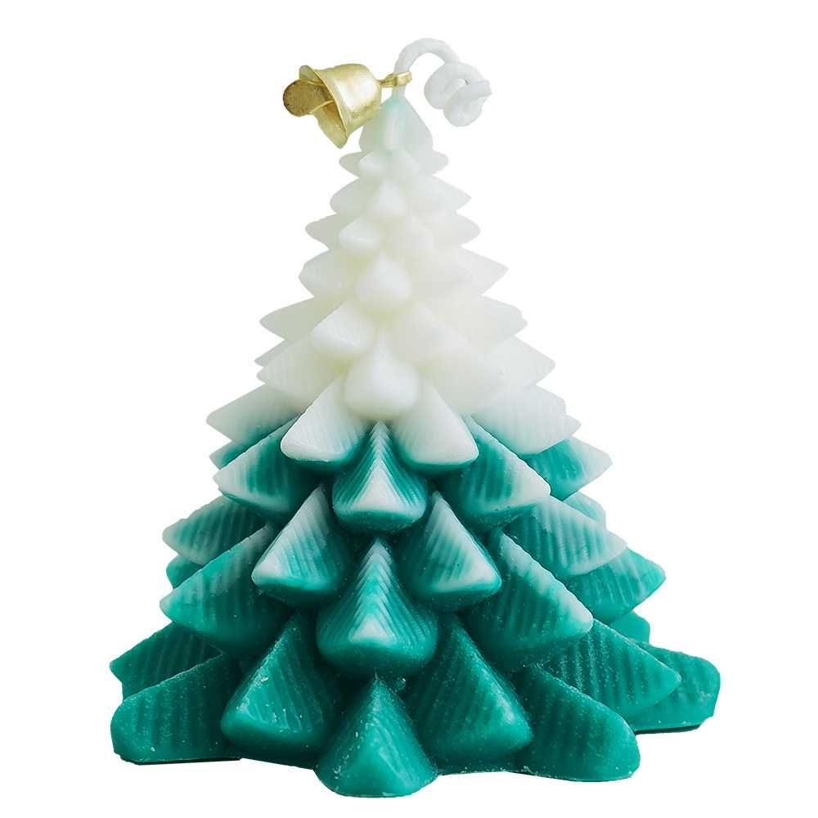 | Christmas Tree Scented Candle, Christmas Tree Shaped Candles, Festive Ornaments, Holiday Decor Candles for Kitchen, Living Room, Bedroom, Bathroom-North Cedar | 60 | Montclair CA91763 | 8*9cm | 125g
sdj005-1 | 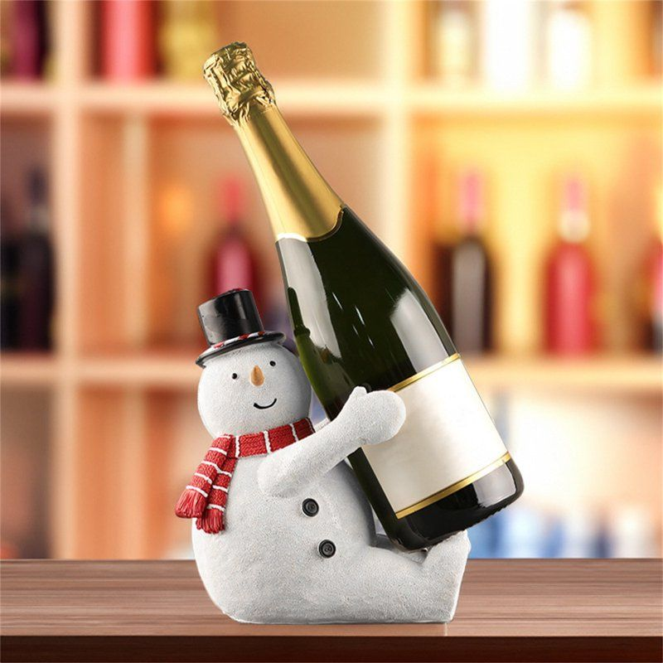 | Snowman Wine Holder, Tabletop Wine Racks, Wine Bottle Holder with Handles Reusables Wine Bags, Unique Wine Bottle Holder, Tabletop Wine Racks for Bar Home Display and Decorations | 78 | Montclair CA91763 | 16*10.5*19 | 750g
sdj006-1 | 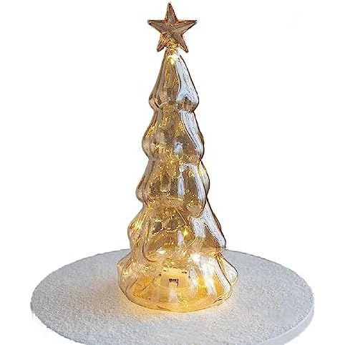 | Glass Christmas tree with lights, desktop Christmas tree romantic Christmas decoration statue, suitable for table, desk, style | 60 | Montclair CA91763 | 26*10*10 | 155g
sdj006-2 | 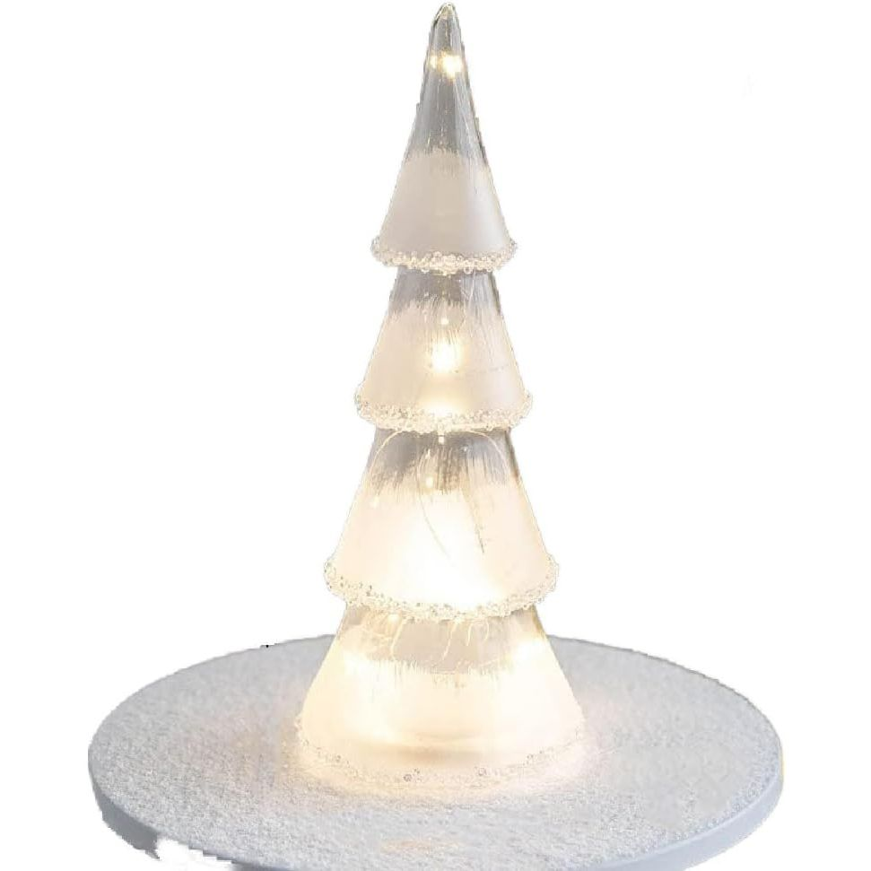 | Glass Christmas tree with lights, desktop Christmas tree romantic Christmas decoration statue, suitable for table, desk, style | 63 | Montclair CA91763 | 27*10*10 | 170g
sdj006-3 | 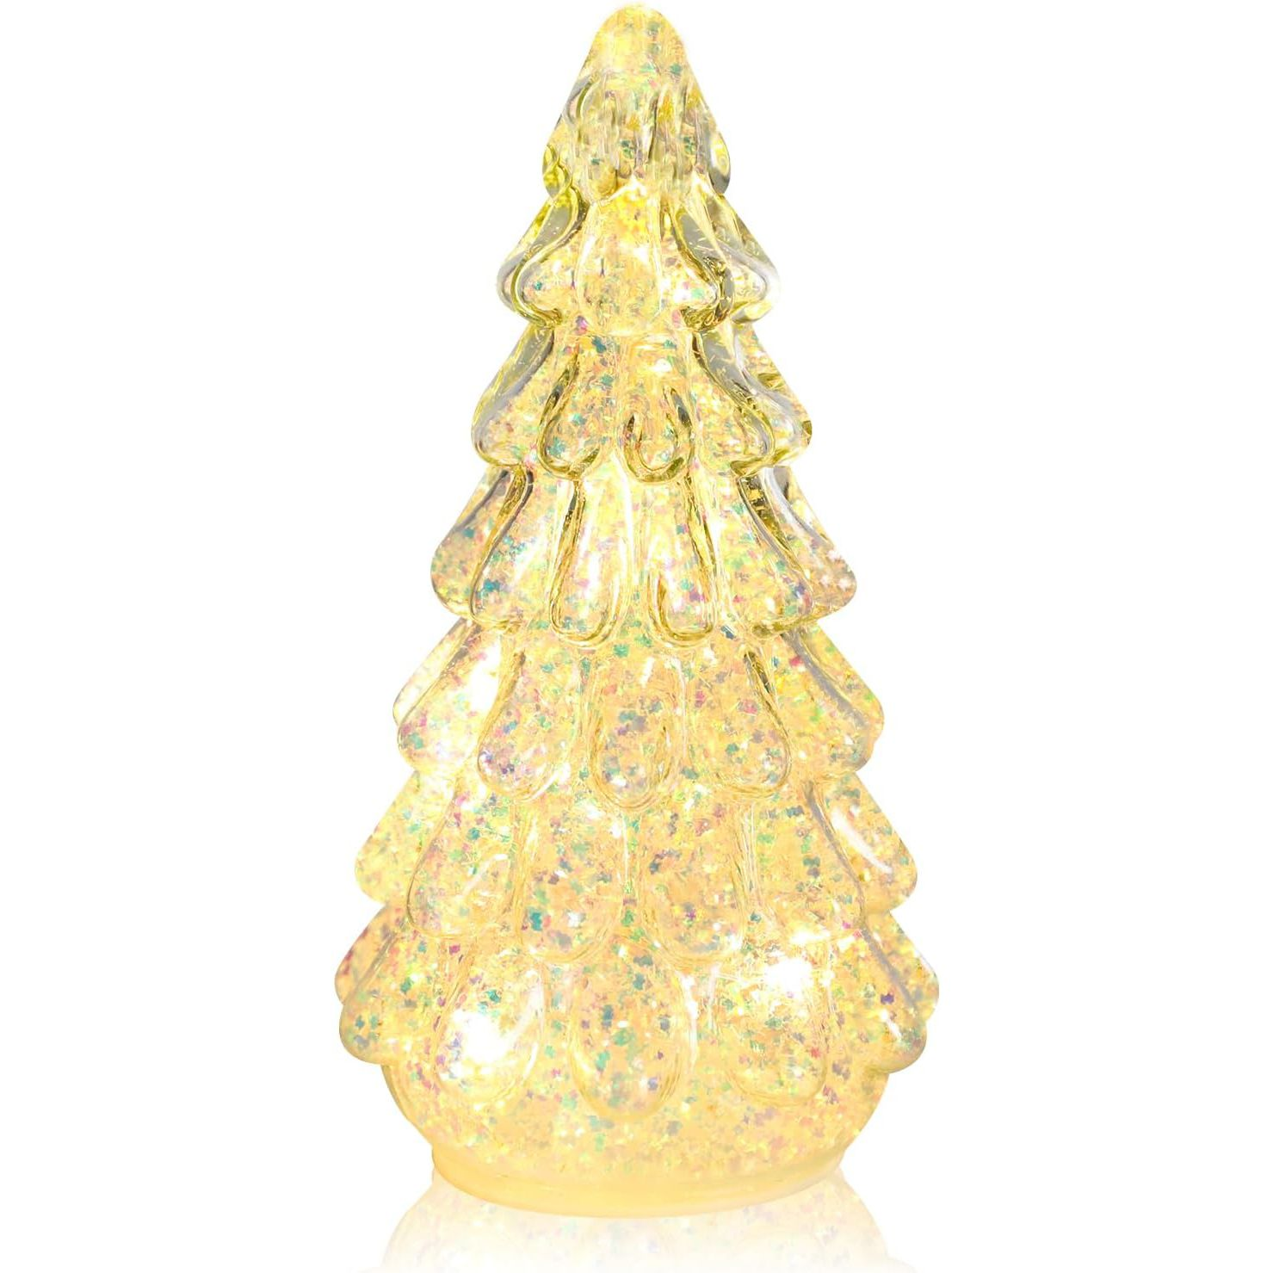 | Glass Christmas tree with lights, desktop Christmas tree romantic Christmas decoration statue, suitable for table, desk, style | 72 | Montclair CA91763 | 23*9*9 | 132g
sdj006-4 | 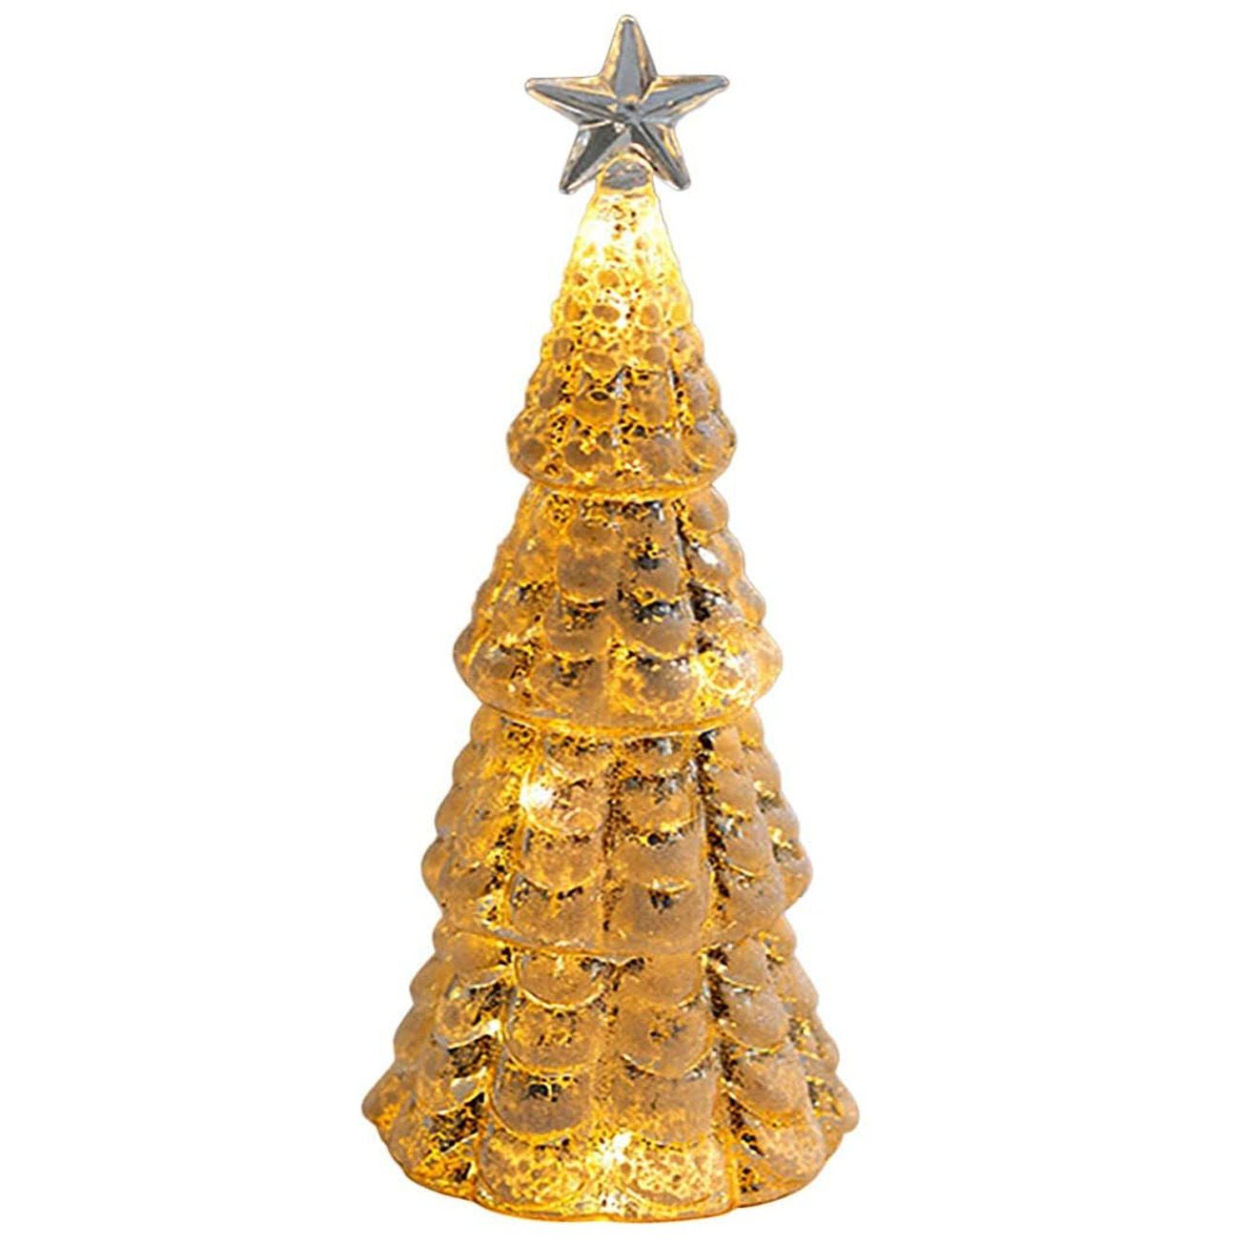 | Glass Christmas tree with lights, desktop Christmas tree romantic Christmas decoration statue, suitable for table, desk, style | 52 | Montclair CA91763 | 24*8*8 | 160g
sdj008-1 | 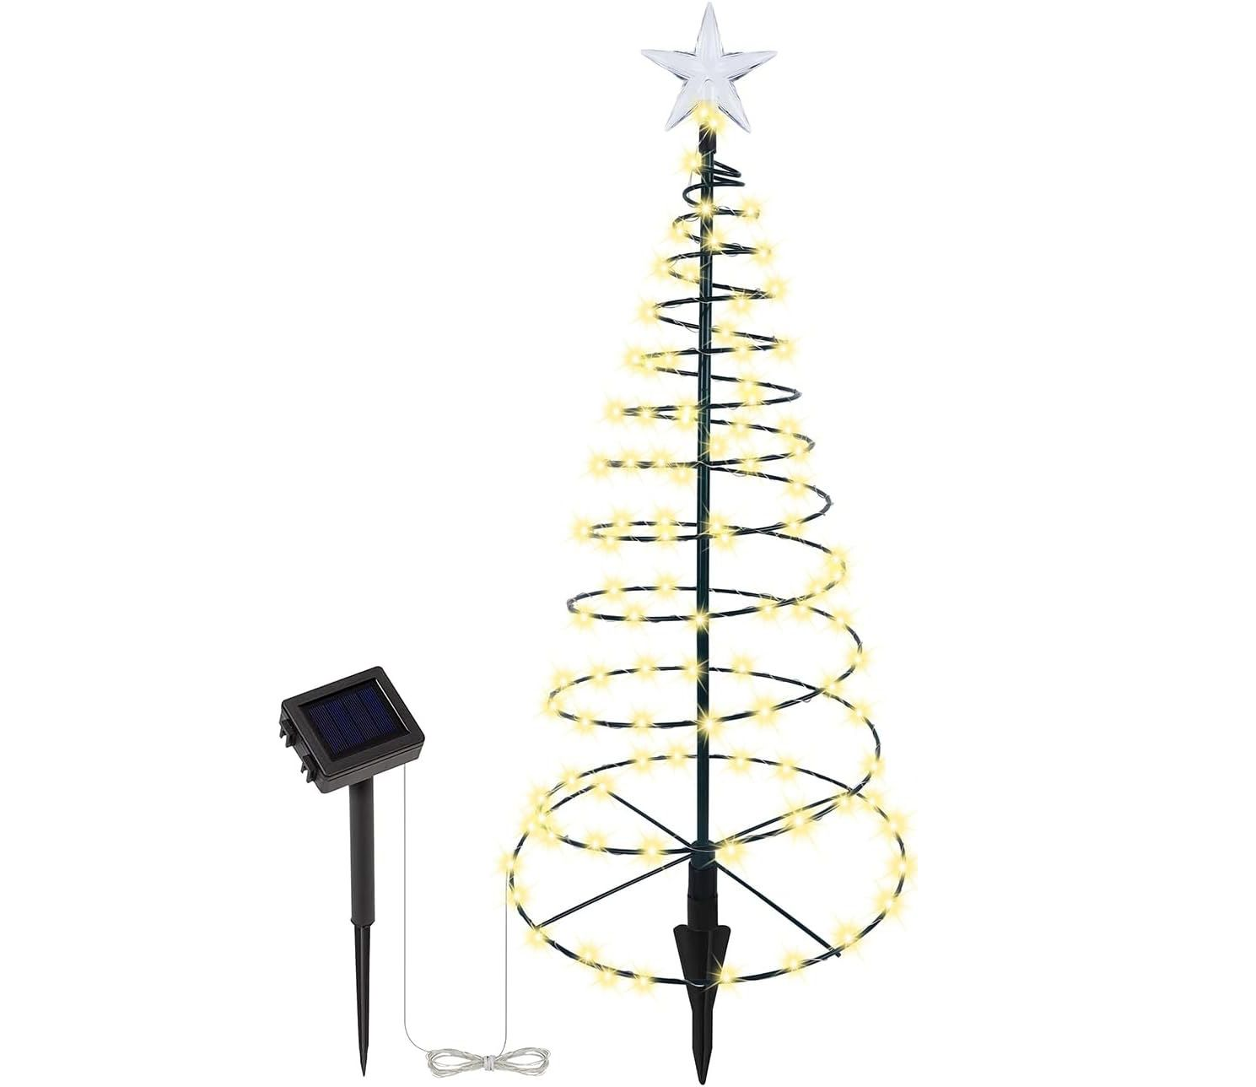 | Solar Powered Metal LED Christmas Tree Decorative Lights - 200 LEDs, Easy to Install, 4 Feet Tall, Perfect for the Holidays - Solid Color | 94 | Montclair CA91763 | 23.50*6.50*23.50 | 550g
sdj008-2 | 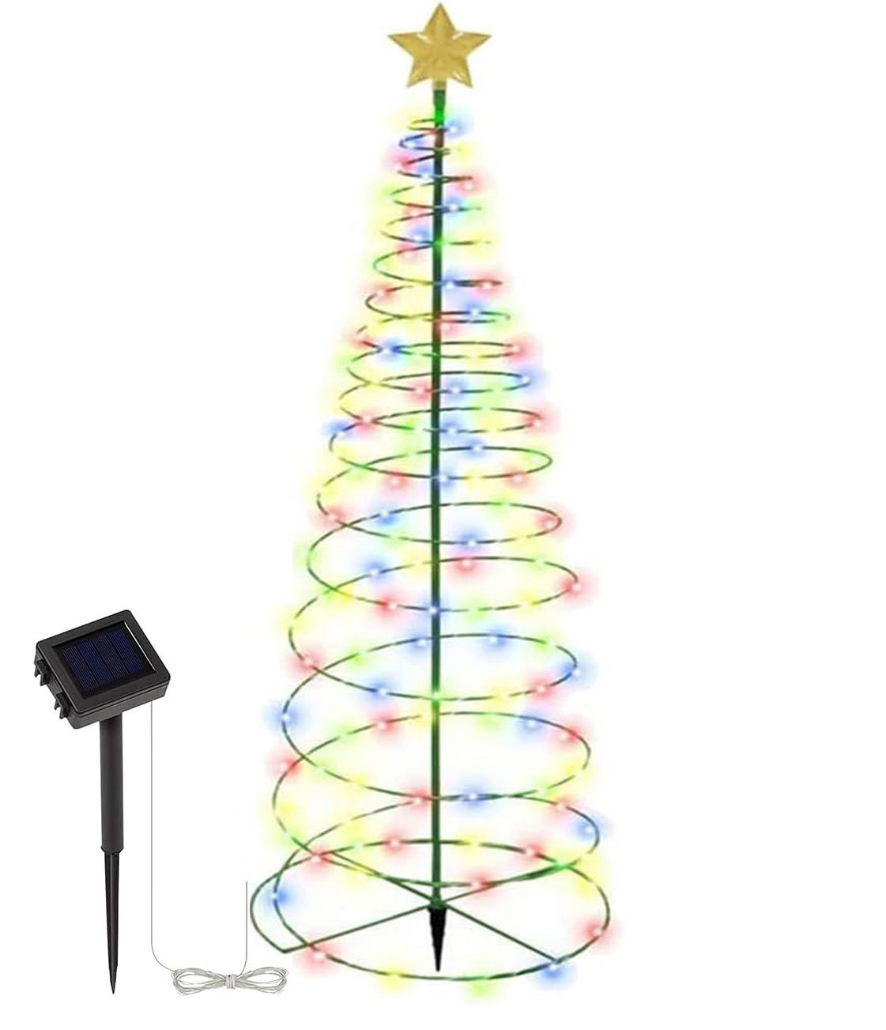 | Solar Powered Metal LED Christmas Tree Decorative Lights - 200 LEDs, Easy to Install, 4 Feet Tall, Perfect for the Holidays - Multicolor | 39 | Montclair CA91763 | 23.50*6.50*23.50 | 550g
sdj010-1 |  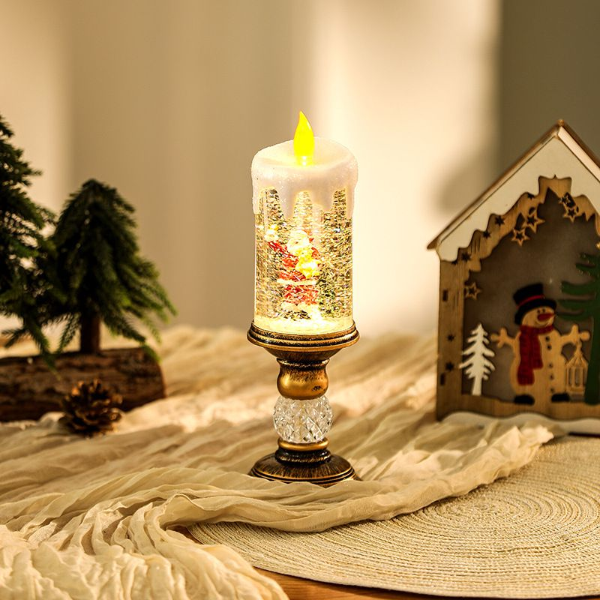 | Flameless Vintage Christmas Lights LED Decorative Table Lamps Electronic Christmas Night Lights For Home Outdoor Porch and Christmas Table Centerpieces Decorations | 93 | Montclair CA91763 | 12.5*12.5*30.5 | 700g
sdj010-2 | 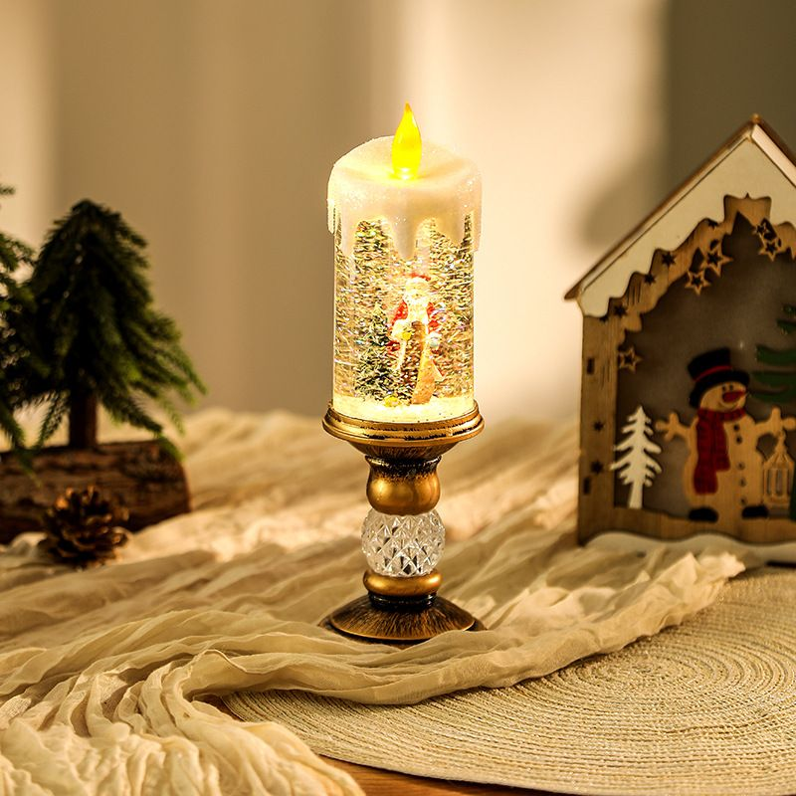 | Flameless Vintage Christmas Lights LED Decorative Table Lamps Electronic Christmas Night Lights For Home Outdoor Porch and Christmas Table Centerpieces Decorations | 94 | Montclair CA91763 | 12.5*12.5*30.5 | 700g
sdj010-3 | 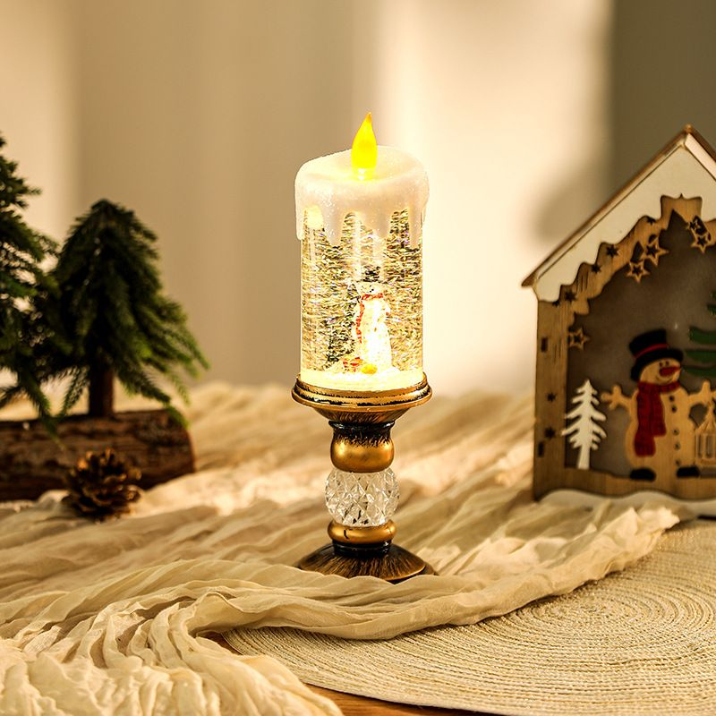 | Flameless Vintage Christmas Lights LED Decorative Table Lamps Electronic Christmas Night Lights For Home Outdoor Porch and Christmas Table Centerpieces Decorations | 93 | Montclair CA91763 | 12.5*12.5*30.5 | 700g
sdj011-2 | 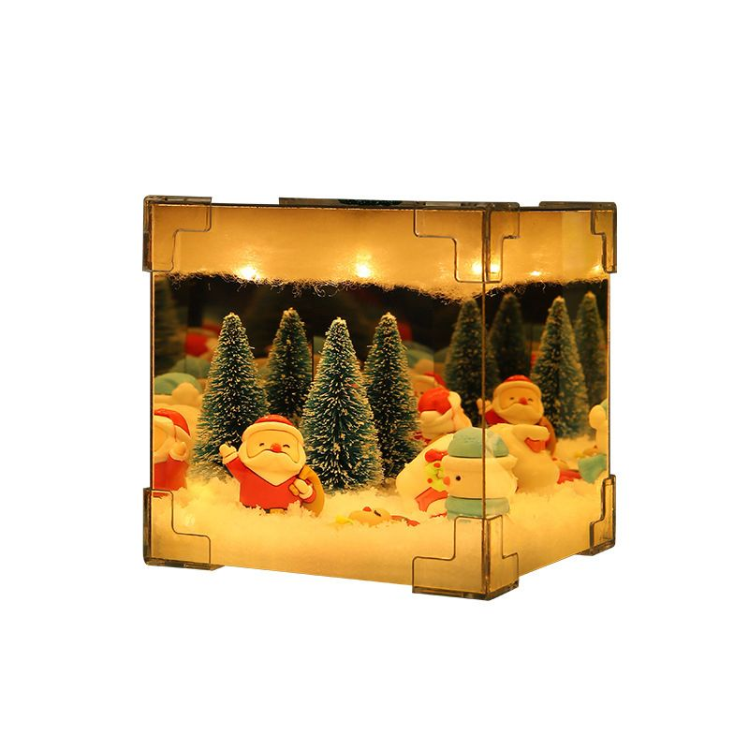 | Santa Claus Night Light, Noel Chibi Cute Handmade USB Night Light Glowing DIY Material Package Christmas Decoration Gift | 97 | Montclair CA91763 | 15*15*5cm | 250g
sdj013-1 | 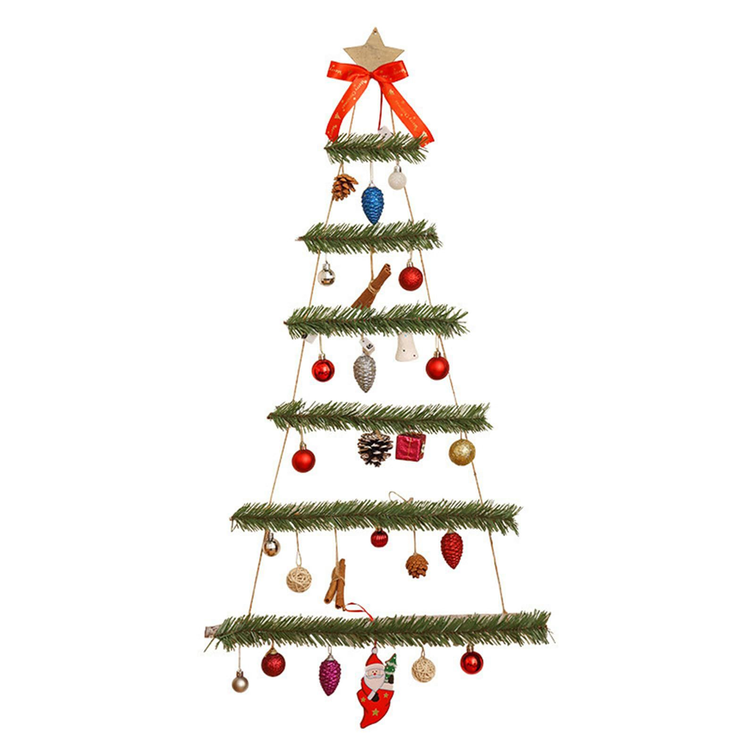 | Wall Hanging Mounted Christmas Trees Illuminated Hanging Wall Decoration Ladder Tree Star Topper Handmade Christmas Trees Personalised Hanging Christmas Tree Indoor Outdoor Ornaments | 82 | Montclair CA91763 | 55*12.5*12.5cm | 550g
sdj013-2 | 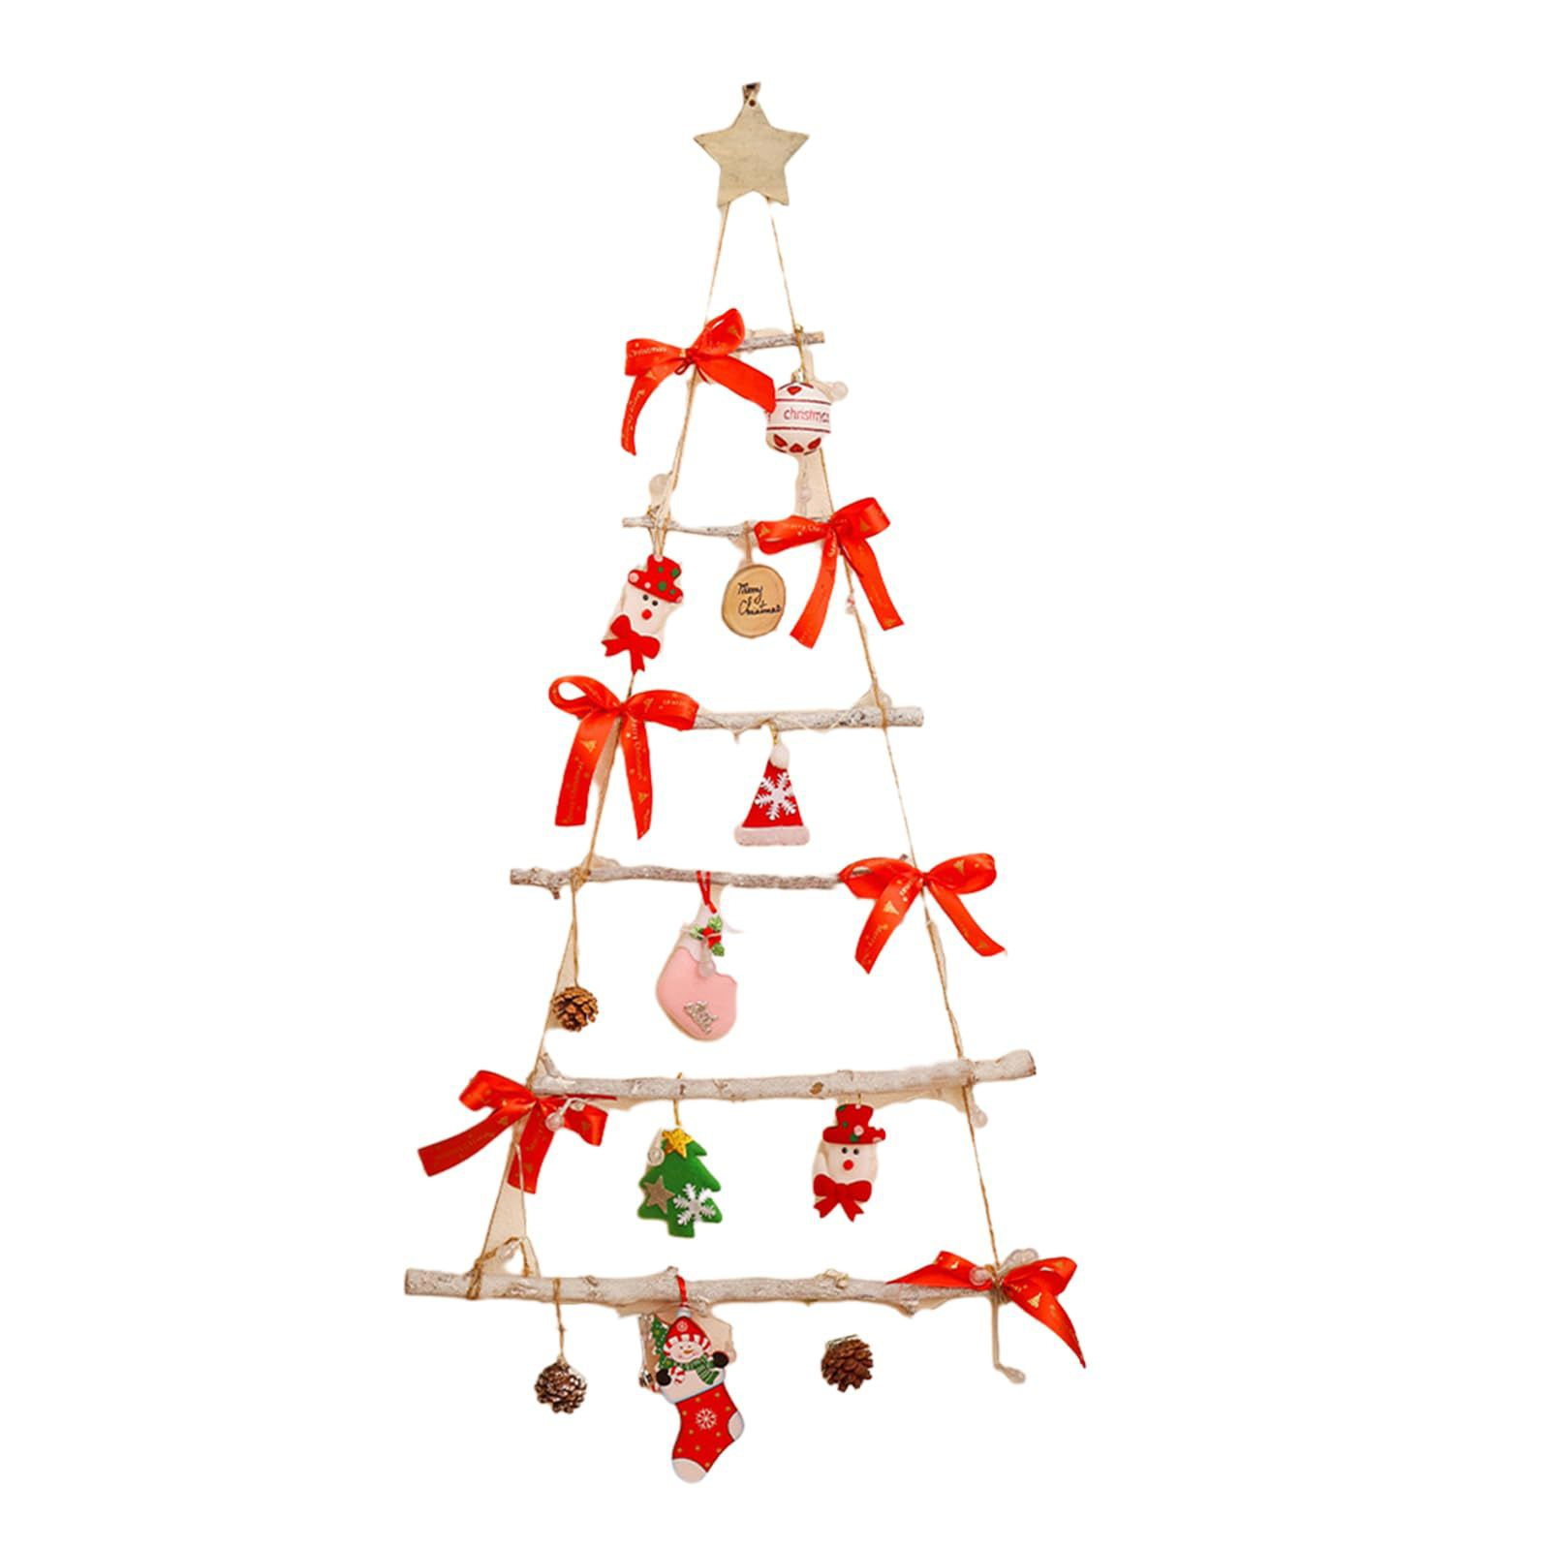 | Wall Hanging Mounted Christmas Trees Illuminated Hanging Wall Decoration Ladder Tree Star Topper Handmade Christmas Trees Personalised Hanging Christmas Tree Indoor Outdoor Ornaments | 89 | Montclair CA91763 | 55*12.5*12.5cm | 550g
sdj014-1 | 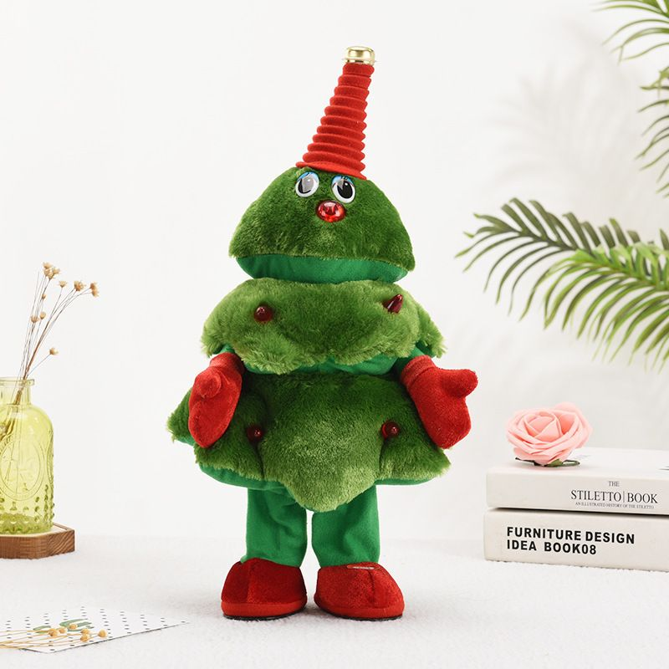 | Singing Dancing Christmas Tree, Electric Wiggle Stuffed Christmas Tree Plush to y with 8 Music Song, Lights, Animated Christmas Tree Table Cute Decoration for Family | 100 | Montclair CA91763 | 15*16*40 | 400g
sdj014-2 | 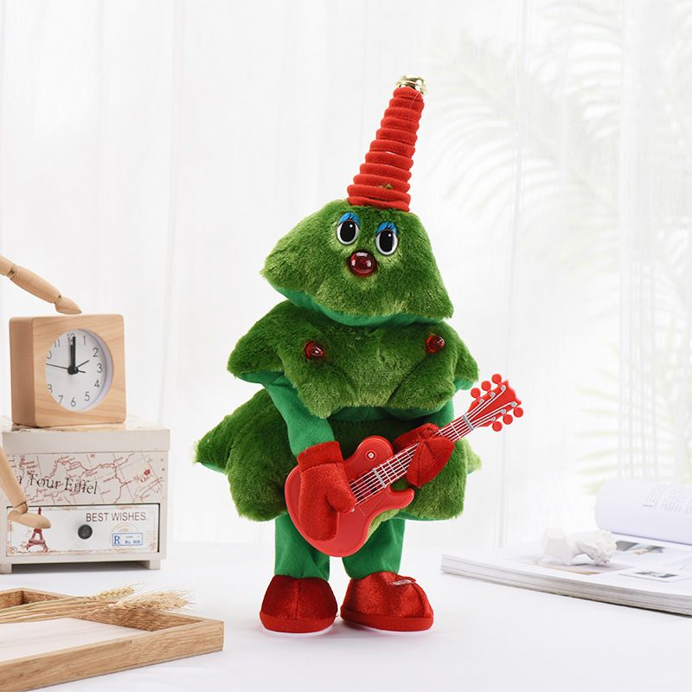 | Singing Dancing Christmas Tree, Electric Wiggle Stuffed Christmas Tree Plush to y with 8 Music Song, Lights, Animated Christmas Tree Table Cute Decoration for Family | 98 | Montclair CA91763 | 15*16*40 | 400g
sdj014-3 | 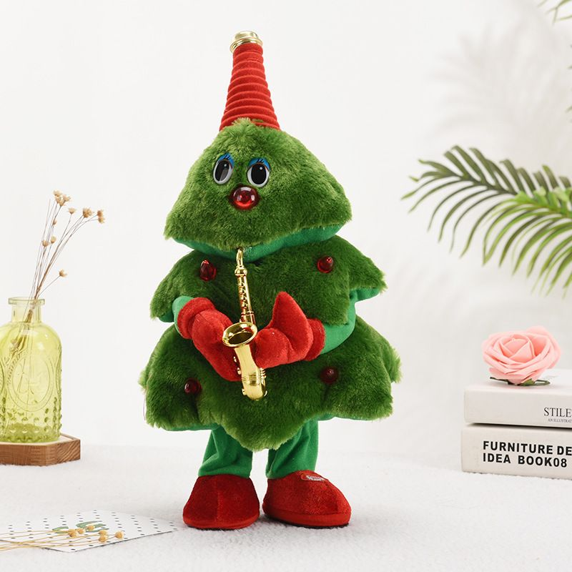 | Singing Dancing Christmas Tree, Electric Wiggle Stuffed Christmas Tree Plush to y with 8 Music Song, Lights, Animated Christmas Tree Table Cute Decoration for Family | 97 | Montclair CA91763 | 15*16*40 | 400g
 |  |  | 2178

